Sheet1
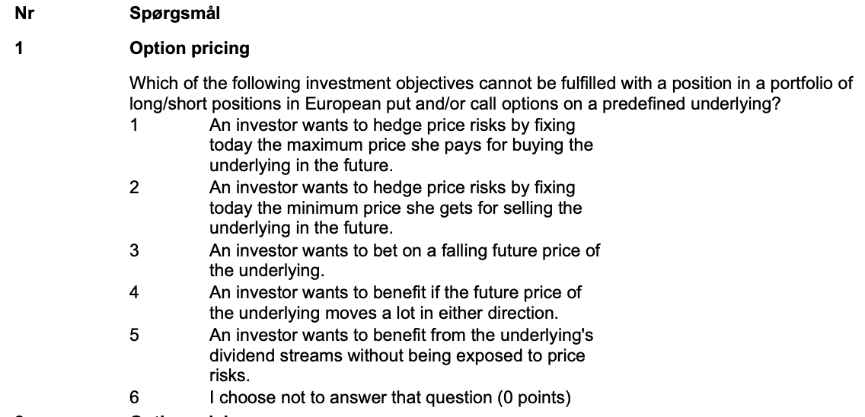

The answer is 5. This is because European calls/puts cannot be exercised early to take advantage of dividends
Svar | 5
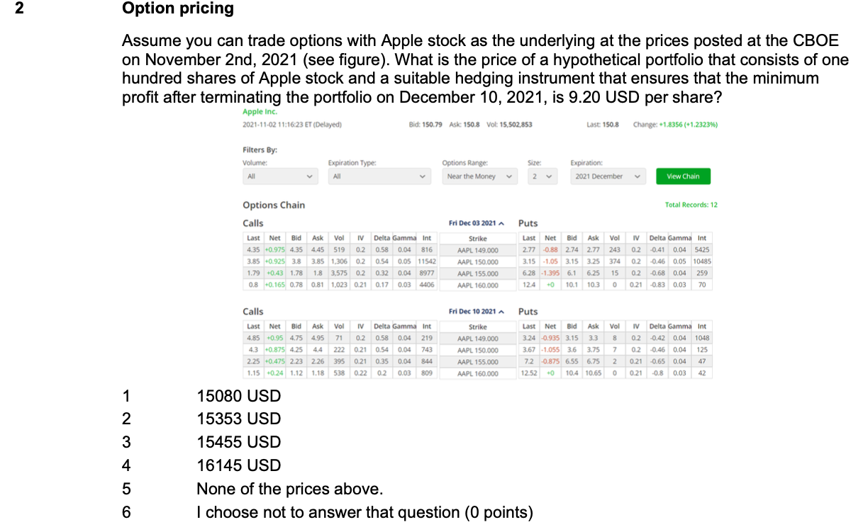

Stocks | 100
Price | 150.8

Put price | 10.65
Puts | 100

Value | 16145
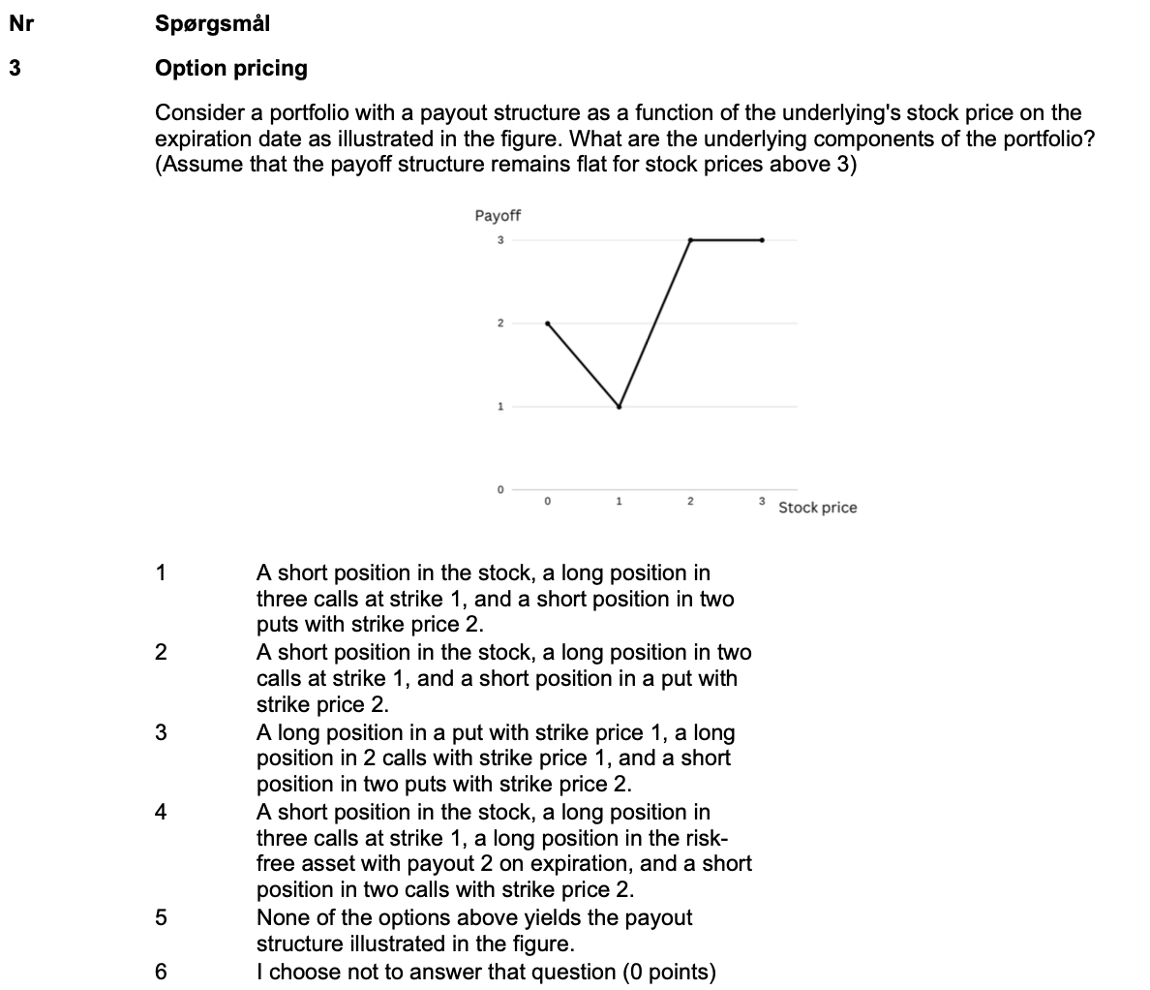

1 | S | S in S | L in 3 C, K=1 | S in 2 P, K=2 | Profit | 2 | S | S in S | L in 2 C, K=1 | S in P, K=1 | Profit
 | 0 | 0 | 0 | -4 | -4 |  | 0 | 0 | 0 | -2 | -2
 | 1 | -1 | 0 | -2 | -3 |  | 1 | -1 | 0 | -1 | -2
 | 2 | -2 | 3 | 0 | 1 |  | 2 | -2 | 2 | 0 | 0
 | 3 | -3 | 6 | 0 | 3 |  | 3 | -3 | 4 | 0 | 1
 | 4 | -4 | 9 | 0 | 5 |  | 4 | -4 | 6 | 0 | 2
 | 5 | -5 | 12 | 0 | 7 |  | 5 | -5 | 8 | 0 | 3
 | 6 | -6 | 15 | 0 | 9 |  | 6 | -6 | 10 | 0 | 4
 | 7 | -7 | 18 | 0 | 11 |  | 7 | -7 | 12 | 0 | 5
 | 8 | -8 | 21 | 0 | 13 |  | 8 | -8 | 14 | 0 | 6

3 | S | L in S | L in 2 C, K=1 | S in 2 P, K=2 | Profit | 4 | S | S in S | L in 3 C, K=1 | B | S in 2 C,K=2 | Proft
 | 0 | 0 | 0 | -4 | -4 |  | 0 | 0 | 0 | 2 | 0 | 2
 | 1 | 1 | 0 | -2 | -1 |  | 1 | -1 | 0 | 2 | 0 | 1
 | 2 | 2 | 2 | 0 | 4 |  | 2 | -2 | 3 | 2 | 0 | 3
 | 3 | 3 | 4 | 0 | 7 |  | 3 | -3 | 6 | 2 | -2 | 3
 | 4 | 4 | 6 | 0 | 10 |  | 4 | -4 | 9 | 2 | -4 | 3
 | 5 | 5 | 8 | 0 | 13 |  | 5 | -5 | 12 | 2 | -6 | 3
 | 6 | 6 | 10 | 0 | 16 |  | 6 | -6 | 15 | 2 | -8 | 3
 | 7 | 7 | 12 | 0 | 19 |  | 7 | -7 | 18 | 2 | -10 | 3

Svar | 4

Svar | 4

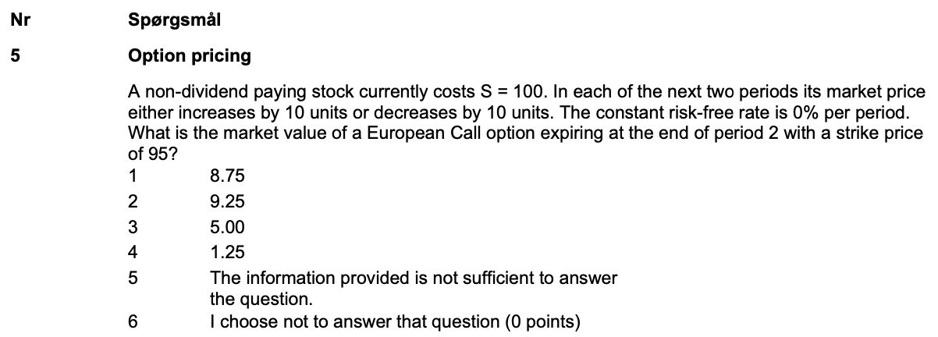

 |  | 120 |  | Strike | 95
 | 110 | 100 |  | Risk free | 0
100 | 90 | 80
t_0 | t_1 | t_2

 |  | 25
 | 15 | 5
 | 0 | 0
t_0 | t_1 | t_2

 |  | 0.5
 | 0.5 | 0.5
t_0 | t_1 | t_2

 | 15
8.75 | 2.5
c_0 | c_1

Svar | 1
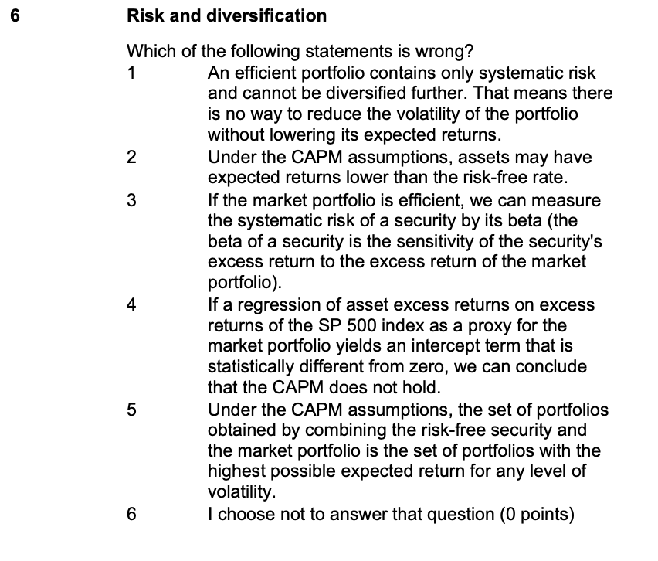

CAPM is a benchmark. The model may still hold
Svar | 4

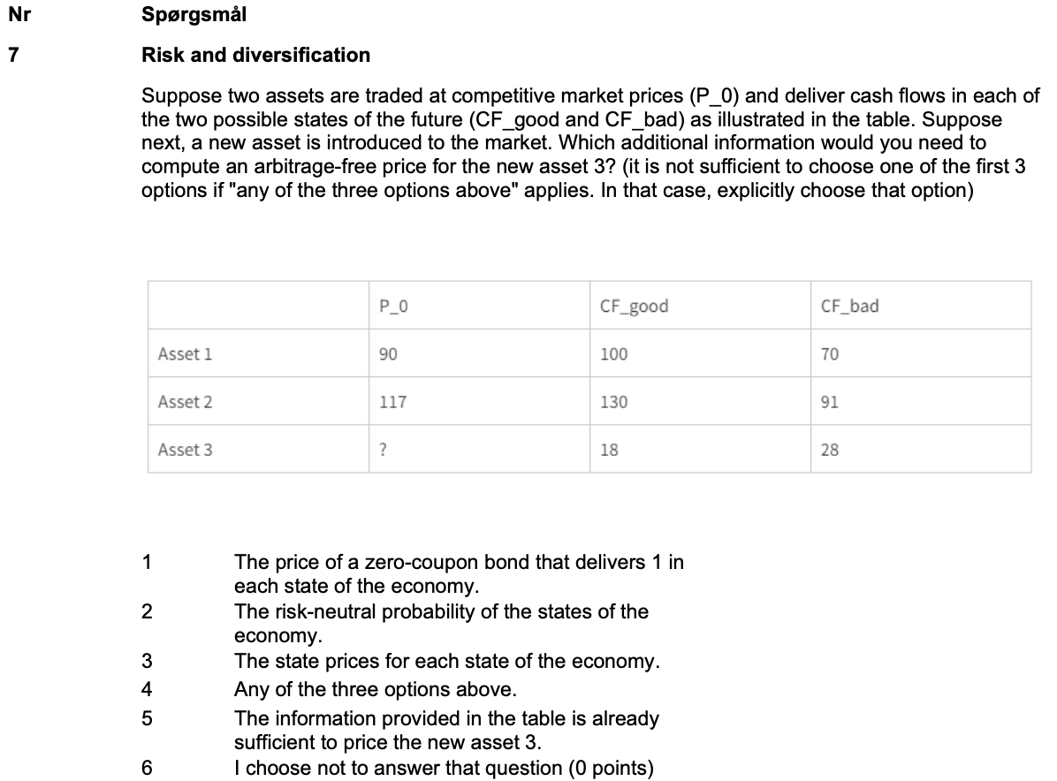

 | P_0 | Good | Bad
1 | 90 | 100 | 70
2 | 117 | 130 | 91
3 |  | 18 | 28

Finding the weigths

#NUM!

